HOME
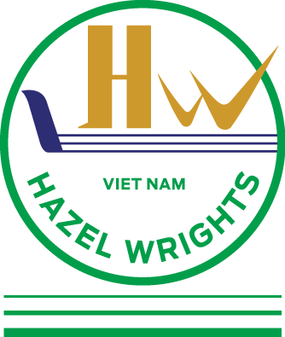
 |  | HAZEL WRIGHTS VIET NAM CO.,LTD
 |  | 47/24/31 Bui Dinh Tuy St, Ward 24, Binh Thanh District, HCMC
 |  | Tel: 028-3840 7185/ 87
 |  | Email: | info@hazelwrightsvn.com
 |  |  | Import@hazelwrightsvn.com
 |  |  | HOT LINE: 0909.280.948
 |  |  |  |  | UPDATE:11/05/2020
APPLICABLE FOR DRY - REEFER - OPENTOP - FLATRACK - ISO TANK
FOR SPECIAL EQUIPMENTS, WE ACCEPT CARGO FROM/TO VIETNAM TO ALL OVER THE WORLD AND VICE VERSA

SINGAPORE
SINGAPORE - HO CHI MINH
SINGAPORE - HAI PHONG

FOR BOOKINGS /SI/INQUIRIES, PLEASE CONTACT THE FOLLOWING PERSONS:
Customer service: |  |  |  | Marketing & Sales :
Ms.Rosa | Ext 103 -0909.280.948 |  |  | Ms. Ngan - Jenny | Ext 112 - 0902777602
 |  |  |  | Ms. Nguyet - Emily | Ext 110 - 0978986968
 |  |  |  | Mr. Tri - Sven | Ext 108 - 0982712273

